Sheet1
 | Document No. | Issue No. |  | Issue Date |  | Review and Replace Date |  | Authorised By
 | GFF331MC | 5 |  | 11.10.2021 |  | 16.10.2024
 | Document Title | 12 Lancashire Cheese & Plum Parcels 240g
 | Tray changed to SK4 |  |  |  | Page |  | 1 of 1 | Magda Shah
Document amendments reason for change |  |  |  |  | Previous Issue Date |  | 28.09.2023 | Uncontrolled copy unless signed original

CVLCPJP-R1TEB | BOOTHS - XMAS |  | 12 Lancashire Cheese & Plum Parcels 240g
STEP 1 |  |  |  |  | STEP 2
 |  |  |  |  | 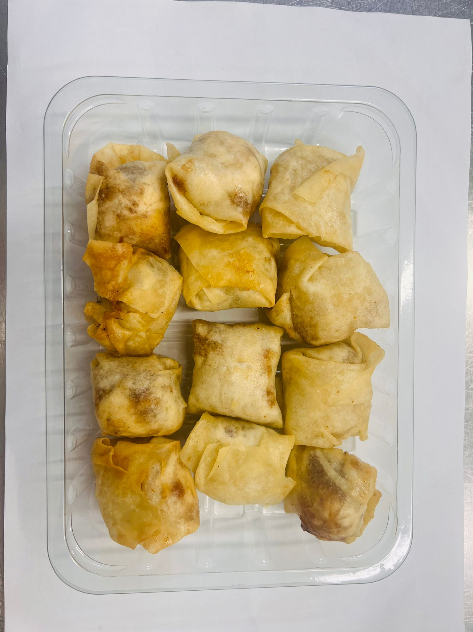

DEFROST DAY + 16 DAYS

Tray: SK4 Plain Clear (PKESS001-07) |  |  |  |  | 12 x Lancashire Cheese & Plum Parcels 20g (GFF393R): 240g
Film: K-peel 7G+25A/f-275mm (PKKMP001-03)
TOTAL WEIGHT: 240g

ALLERGY ALERT: MILK, WHEAT

